Page Layout
Project Name |  |  |  | Wow tasty |  | User Type |  |  |  |  | User |  |  |  | Writer | Hak Choi
Phase |  |  |  | Requirements programing design |  | Page Name |  |  |  |  | eCash Topup |  |  |  | Date | 11/18/2012

 | 1. Page layout

 |  | 1 ) layout
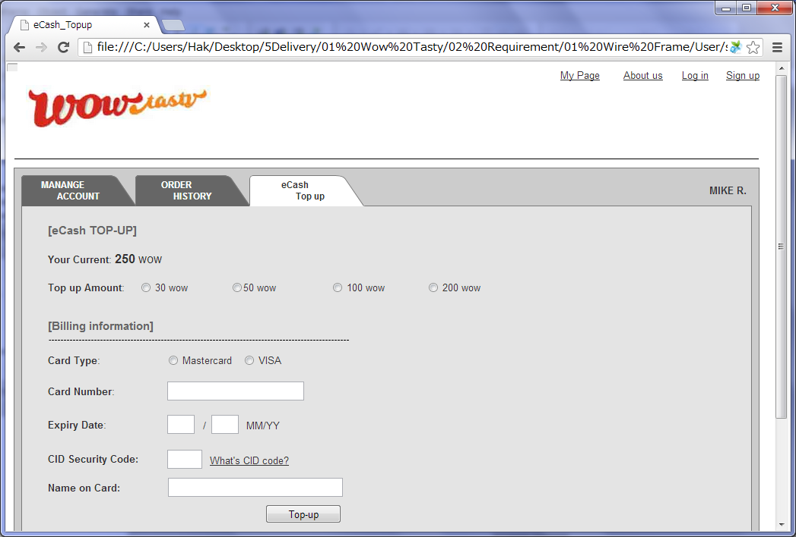

 |  | 2) Field list

 |  | No. | Name |  | Controller |  | Len | Align |  | Default |  | Note
 |  | 1 | Current eCash |  | Label |  |  |  |  | 0
 |  | 2 | Top-up amount |  | Radio button |  |  |  |  | 30Wow |  | 30/50/100/200
 |  | 3 | Card Type |  | Radio button |  |  |  |  | Mastercard |  | Mastercard, Visa
 |  | 4 | Card Number |  | Textfield |  | 16 | Left |  | Blank |  | Trim
 |  | 5 | Expiry Date(MM) |  | Drop Down |  | 2 | Left |  | 01 |  | 01~12
 |  | 6 | Expiry Date(YY) |  | Drop Down |  | 2 | Left |  | Current Year |  | Current Year's last 2 digit~ 10 later Year's last 2 digit
 |  | 7 | CID Security Code |  | Textfield |  | 4 | Left |  | Blank |  | Trim
 |  | 8 | What's CID code? |  | Link |  | - | -
 |  | 9 | Name on Card |  | Textfield |  | 100 | Left |  | Blank |  | Trim
 |  | 10 | Top-up |  | Button

 |  | 3) Validation list

 |  | - Unit validation
 |  | No. | Name |  | Required | Type |  |  | Other |  |  |  |  | Error Message
 |  | 1 | Card Number |  | Yes | Num |  |  |  |  |  |  |  | E0001,E0003
 |  | 2 | CID Security Code |  | Yes | Num |  |  |  |  |  |  |  | E0001,E0003
 |  | 3 | Name on Card |  | Yes |  |  |  |  |  |  |  |  | E0001

 |  | - Correlation validation
 |  | No. | Condition |  | Field |  |  |  |  |  | Required |  | Other | Error message

Page Transition
Project Name |  |  |  |  | Wow tasty |  | User Type |  | User |  | Writer |  | Hak Choi
Phase |  |  |  |  | Requirements programing design |  | Page Name |  | eCash Topup |  | Date |  | 11/18/2012

 | 2. Page Transition

 |  | 1) Event List

 |  | No. | Name |  |  | Event |  | Condition |  | Destination page
 |  | 1 | Top-up |  |  | Click |  | Validation OK |  | [eCash Topup] page
 |  | 2 |  |  |  |  |  | Validation Error |  | [eCash Topup] page

 |  | 2) Page Transition |  |  |  |  |  |  |  |  |  | page |  | layer

1,2

 |  |  |  | eCash Topup

